Cleaning
Data Cleaning (Pandas)


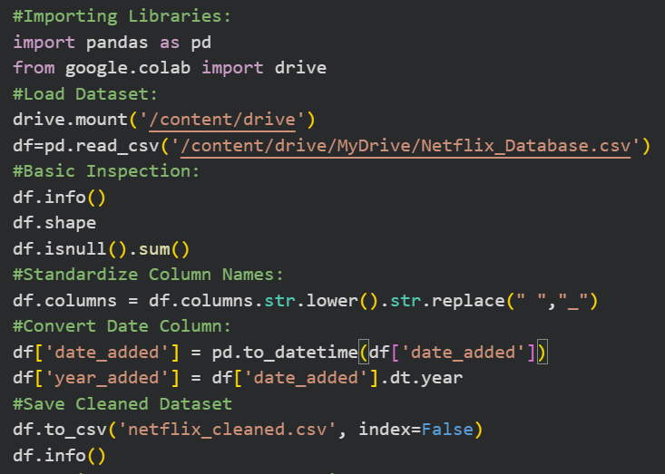

This step converted raw Netflix data into a clean, structured, and analysis-ready dataset, enabling accurate insights and dashboard development.

PS_1
Country-wise Netflix Content Distribution

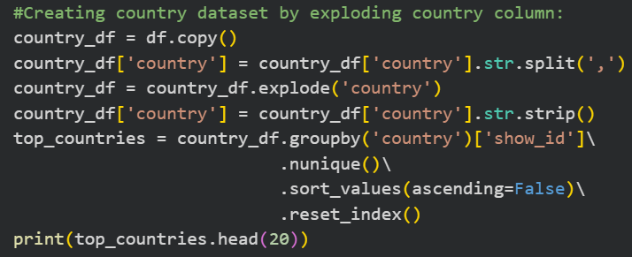
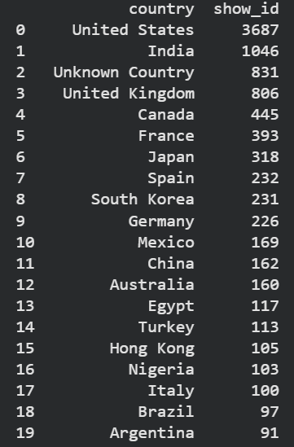

Country-wise content distribution was analyzed by splitting and exploding the multi-country entries, allowing each title to be mapped accurately to individual countries. This enabled a detailed assessment of Netflix's geographical content presence.The analysis revealed that the United States has the largest number of Netflix titles, followed by India and the United Kingdom, highlighting Netflix's strong presence in both developed and emerging markets.

PS_2
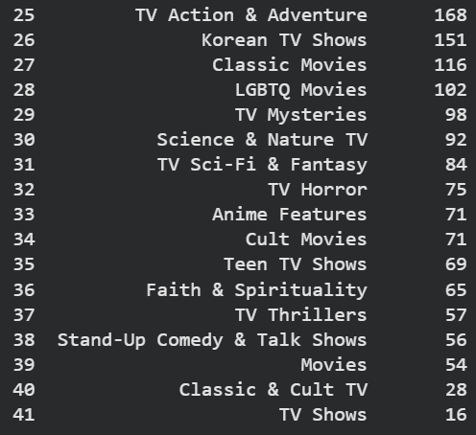
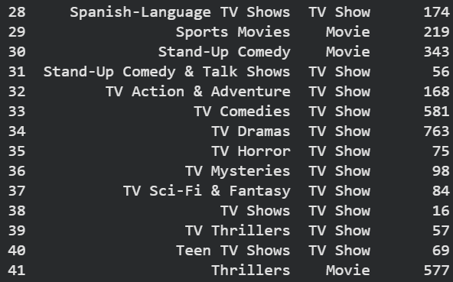
Genre Popularity Analysis
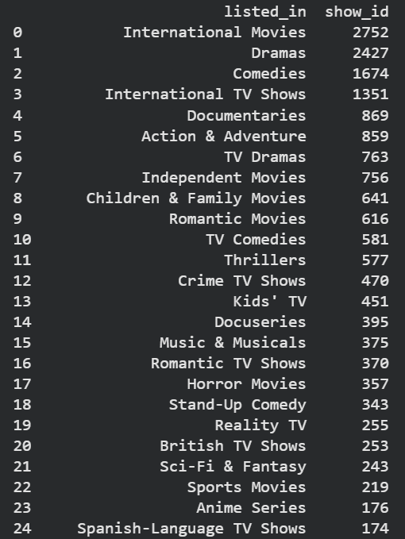
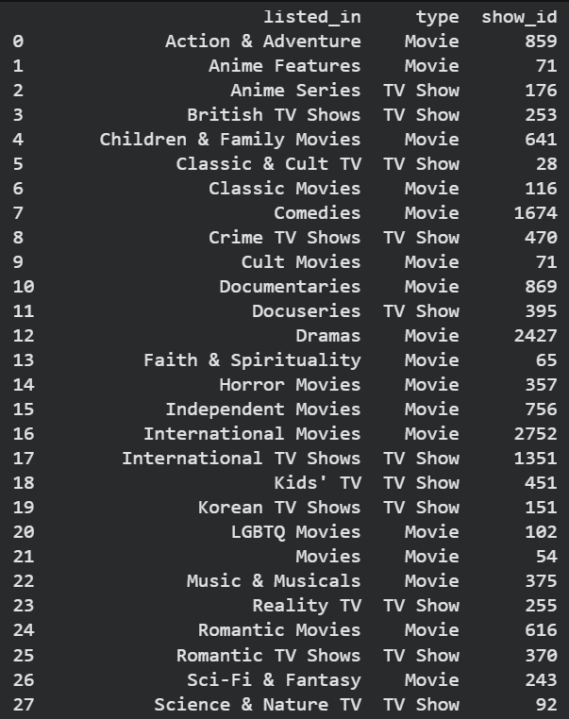



Genre data was normalized by splitting and exploding the multi-genre field, enabling accurate analysis of genre popularity and content distribution across Movies and TV Shows.The analysis showed that International Movies, Dramas, and Comedies are the most popular genres on Netflix, while Movies dominate most genre categories compared to TV Shows.

PS_3
Audience Segmentation using Ratings

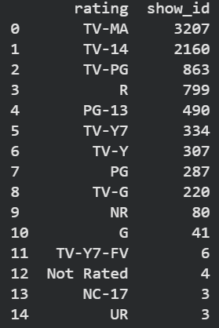
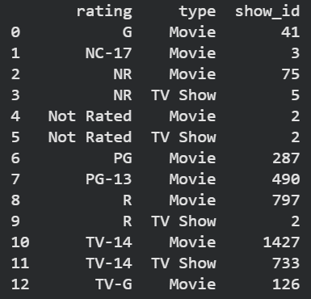

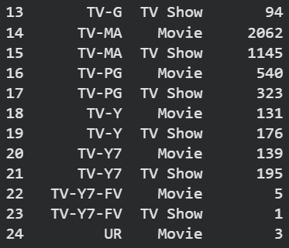
Audience segmentation was performed using content ratings to classify Netflix titles by target age groups and content maturity levels. The analysis also compared rating distributions across Movies and TV Shows.TV-MA and TV-14 emerged as the most common ratings, indicating that Netflix primarily caters to mature and young-adult audiences. Movies account for the majority of content across most rating categories, reflecting a strong focus on adult-oriented entertainment.

PS_4
Content Growth Analysis

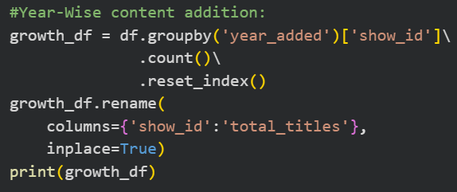
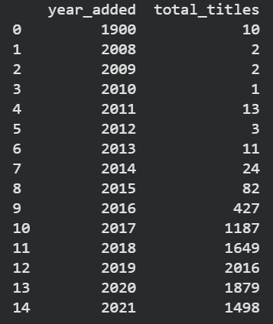
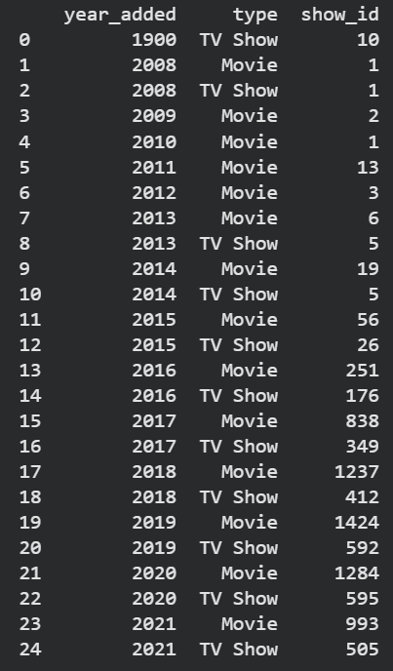

Year-wise content growth analysis was conducted to examine how Netflix's content additions evolved over time. The data was further segmented by content type to compare the growth of Movies and TV Shows.The analysis revealed a significant increase in content additions between 2016 and 2020, with 2019 recording the highest number of titles added. Movies consistently outpaced TV Shows, indicating a stronger emphasis on movie content during Netflix's rapid expansion phase.

KPI
KPI Dataset

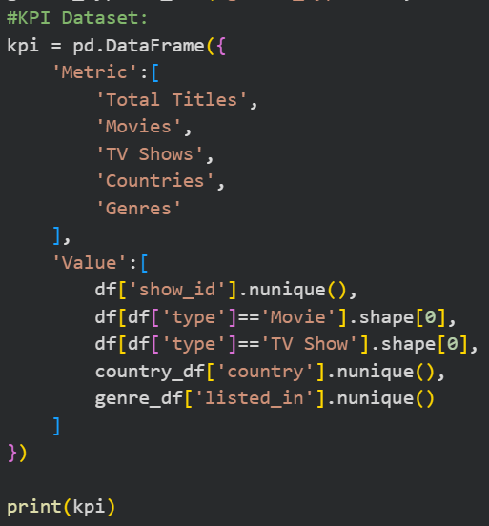
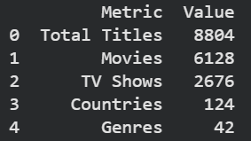

 | A KPI dataset was created to summarize the key metrics of the Netflix catalog, including total titles, movies, TV shows, countries, and genres.A KPI dataset was created to summarize the key metrics of the Netflix catalog, including total titles, movies, TV shows, countries, and genres.

